Energy_item
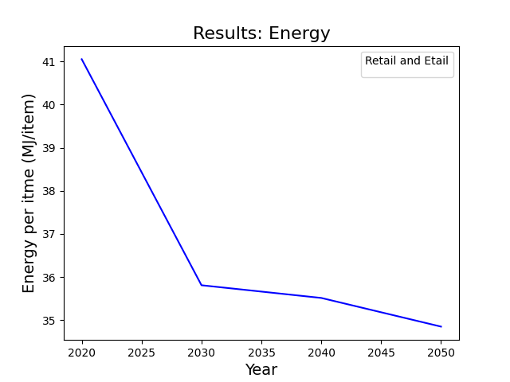
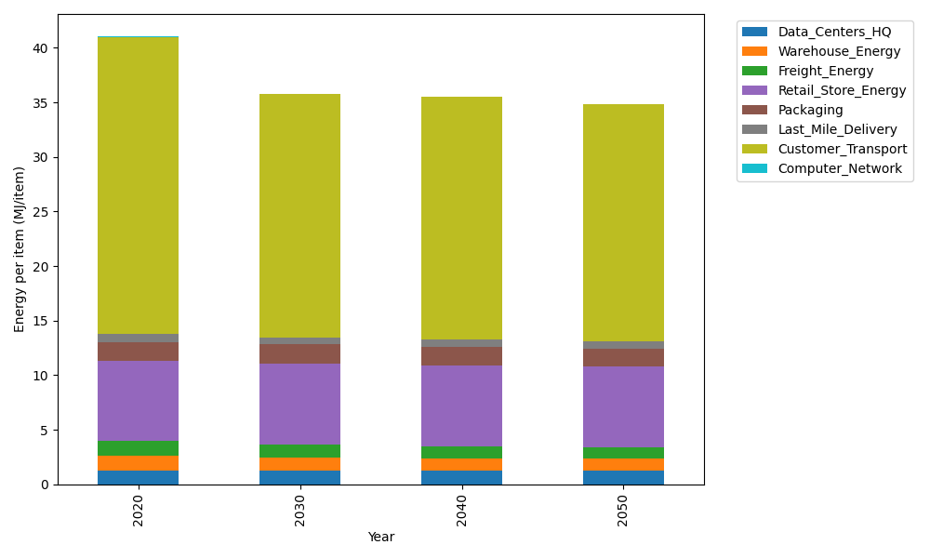
Years | Data_Centers_HQ | Warehouse_Energy | Freight_Energy | Retail_Store_Energy | Packaging | Last_Mile_Delivery | Customer_Transport | Computer_Network | Total
2020 | 1.2374141979 | 1.3410488455 | 1.4107074629 | 7.3100139929 | 1.6916682183 | 0.81048496881 | 27.205060503 | 0.042881298171 | 41.049279487
2030 | 1.2352718172 | 1.220946833 | 1.2139458103 | 7.4274928124 | 1.7230103968 | 0.64459089925 | 22.308579214 | 0.038322286335 | 35.812160069
2040 | 1.2350053479 | 1.1663371908 | 1.0845039277 | 7.4421048224 | 1.6673485904 | 0.63826445122 | 22.246442692 | 0.037755236657 | 35.517762259
2050 | 1.2351847631 | 1.1143019806 | 1.0315057324 | 7.4322664771 | 1.6389018846 | 0.63681768218 | 21.726317316 | 0.038137034271 | 34.853432871

CO2_item
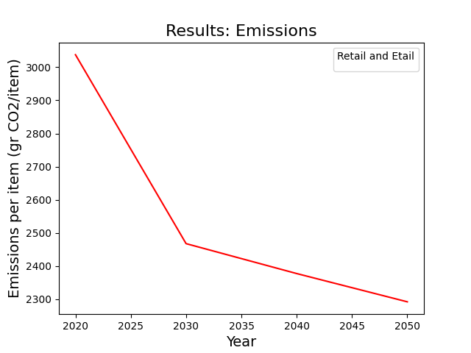
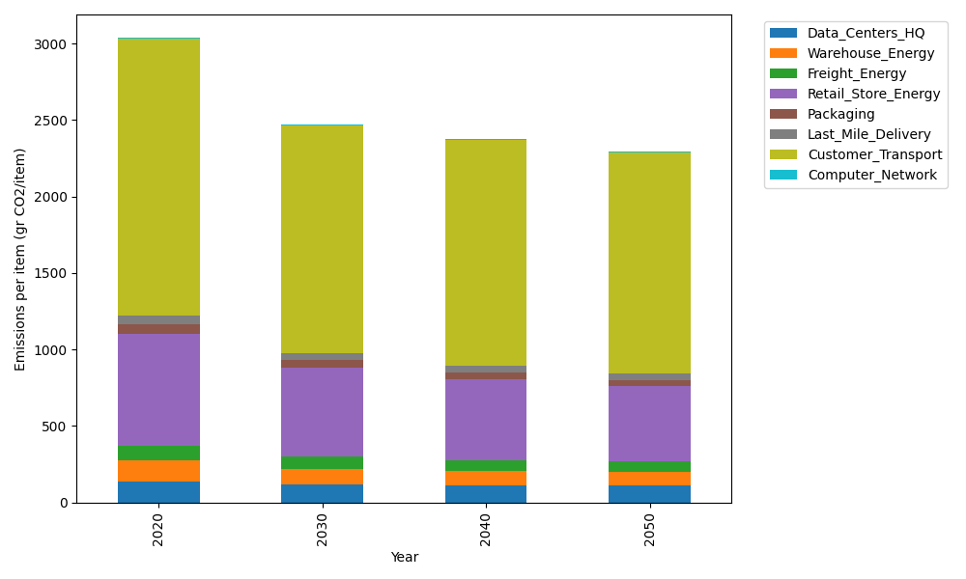
Years | Data_Centers_HQ | Warehouse_Energy | Freight_Energy | Retail_Store_Energy | Packaging | Last_Mile_Delivery | Customer_Transport | Computer_Network | Total
2020 | 140.14711191 | 133.87537195 | 96.078360958 | 728.99305529 | 65.522142061 | 55.634223426 | 1810.2003366 | 7.2330803936 | 3037.6836826
2030 | 117.21316709 | 103.33309549 | 82.63860641 | 577.75275578 | 52.003123379 | 44.215762866 | 1484.1190895 | 6.4640808406 | 2467.7396814
2040 | 109.63602901 | 93.936239892 | 73.783163994 | 526.93775192 | 43.683351265 | 43.75551219 | 1479.3730258 | 6.3684327123 | 2377.4735068
2050 | 111.81108257 | 87.39822939 | 70.143657668 | 489.1819127 | 39.17121468 | 43.630102647 | 1444.4482891 | 6.4328331142 | 2292.2173218

